Dashboard - Sample
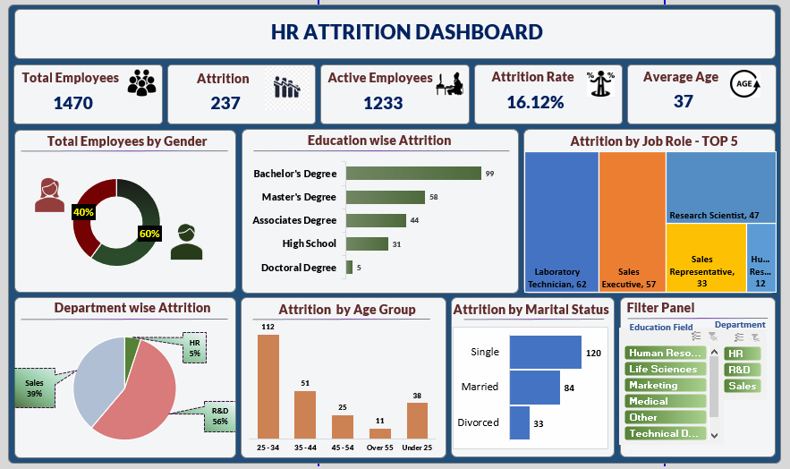

Final Dashboard
`
HR ATTRITION DASHBOARD
Total Employees
1470
Attrition
Active Employees
Attrition Rate
Averege Age
237
1233
16.12%
37

Total Employees by Gender
Education wise Attrition
Attrition by Job Role - TOP 5

 | Total
Male | 882
Female | 588
 | Total
Doctoral Degree | 5
High School | 31
Associates Degree | 44
Master's Degree | 58
Bachelor's Degree | 99

Filter Panel
Department wise Attrition
Attrition by Age Group
Attrition by Marital Status

 | Count
R&D | 133
Sales | 92
HR | 12
 | Count
25 - 34 | 112
35 - 44 | 51
45 - 54 | 25
Over 55 | 11
Under 25 | 38
 | Total
Divorced | 33
Married | 84
Single | 120

Total Employees by Gender
Row Labels | Count of Gender
Male | 882
Female | 588

Education wise Attrition
Row Labels | Count of Education
Yes | 237
Doctoral Degree | 5
High School | 31
Associates Degree | 44
Master's Degree | 58
Bachelor's Degree | 99

Department wise Attrition
Row Labels | Count of Department
Yes | 237
R&D | 133
Sales | 92
HR | 12

Department | Count
R&D | 133
Sales | 92
HR | 12

Attrition by Age Group
Row Labels | Count of CF_age band
Yes | 237
25 - 34 | 112
35 - 44 | 51
45 - 54 | 25
Over 55 | 11
Under 25 | 38

Age Band | Count
25 - 34 | 112
35 - 44 | 51
45 - 54 | 25
Over 55 | 11
Under 25 | 38

Attrition by Marital Status
Row Labels | Count of Marital Status
Yes | 237
Divorced | 33
Married | 84
Single | 120

